CoreRim Master
...
NiO WT% | CaO WT% | Total | Fo
0.21 | 0.26 | 100.2 | 82.3 |  |  |  |  |  |  |  |  | 85.5-86.5 | 1 | 2
0.24 | 0.26 | 99.7 | 82.6 |  |  |  |  |  |  |  |  | 86.5-87.5 | 0 | 0
0.24 | 0.26 | 99.6 | 82.2 |  |  |  |  |  |  |  |  | 87.5-88.5 | 2 | 3
0.24 | 0.26 | 99.7 | 82.4 |  |  |  |  |  |  |  |  |  | 58
0.22 | 0.28 | 100.0 | 82.4
0.22 | 0.26 | 100.0 | 82.2
0.27 | 0.24 | 99.9 | 82.9
0.21 | 0.26 | 100.2 | 81.8
0.22 | 0.27 | 100.2 | 82.2
0.24 | 0.26 | 99.7 | 82.6
82.0 | 0.25
82.5 | 0.26
82.1 | 0.26
82.9 | 0.26
82.8 | 0.26
82.3 | 0.26
82.6 | 0.26
82.2 | 0.26
82.4 | 0.26
82.4 | 0.28
82.2 | 0.26
82.9 | 0.24
81.8 | 0.26
82.2 | 0.27
82.6 | 0.26
82.5 | 0.27
82.5 | 0.26
82.4 | 0.26
82.2 | 0.27
82.4 | 0.26
82.2 | 0.27
82.3 | 0.27
82.3 | 0.27
82.2 | 0.27
82.7 | 0.26
84.2 | 0.23
82.6 | 0.27
84.8 | 0.23
82.2 | 0.27
82.3 | 0.26
86.3 | 0.22
82.7 | 0.26
82.5 | 0.27
82.3 | 0.26
82.5 | 0.27
82.5 | 0.25
82.4 | 0.26
84.2 | 0.22
82.3 | 0.26
82.4 | 0.27
82.5 | 0.26
82.3 | 0.26
82.2 | 0.27
82.4 | 0.27
82.3 | 0.26
82.4 | 0.26
82.5 | 0.26
82.9 | 0.25
82.3 | 0.26
82.3 | 0.26
...
82.0 | 0.22
82.5 | 0.23
82.1 | 0.21
82.9 | 0.24
82.8 | 0.24
82.3 | 0.21
82.6 | 0.24
82.2 | 0.24
82.4 | 0.24
82.4 | 0.22
82.2 | 0.22
82.9 | 0.27
81.8 | 0.21
82.2 | 0.22
82.6 | 0.24
82.5 | 0.24
82.5 | 0.22
82.4 | 0.22
82.2 | 0.22
82.4 | 0.22
82.2 | 0.26
82.3 | 0.23
82.3 | 0.23
82.2 | 0.22
82.7 | 0.23
84.2 | 0.33
82.6 | 0.23
84.8 | 0.32
82.2 | 0.22
82.3 | 0.24
86.3 | 0.31
82.7 | 0.23
82.5 | 0.23
82.3 | 0.23
82.5 | 0.23
82.5 | 0.25
82.4 | 0.26
84.2 | 0.35
82.3 | 0.22
82.4 | 0.22
82.5 | 0.23
82.3 | 0.23
82.2 | 0.22
82.4 | 0.23
82.3 | 0.26
82.4 | 0.23
82.5 | 0.24
82.9 | 0.25
82.3 | 0.23
82.3 | 0.22
...
0.24 | 0.27 | 100.0 | 82.5
0.22 | 0.26 | 99.9 | 82.5
0.22 | 0.26 | 100.0 | 82.4
0.22 | 0.27 | 100.1 | 82.2
0.22 | 0.26 | 100.0 | 82.4
0.26 | 0.27 | 99.7 | 82.2
0.23 | 0.27 | 99.5 | 82.3
0.23 | 0.27 | 99.2 | 82.3
0.22 | 0.27 | 99.2 | 82.2
0.23 | 0.26 | 99.9 | 82.7
0.33 | 0.23 | 99.4 | 84.2
0.23 | 0.27 | 99.3 | 82.6
0.32 | 0.23 | 99.7 | 84.8
0.22 | 0.27 | 99.7 | 82.2
0.24 | 0.26 | 99.6 | 82.3
0.31 | 0.22 | 99.8 | 86.3 | KS24-617-WORI-1_ol32_rim Ave | 39.57 | 42.90 | 16.18 | 0.24 | 0.27 | 99.2 | 82.5
0.23 | 0.26 | 99.9 | 82.7
0.23 | 0.27 | 99.9 | 82.5
0.23 | 0.26 | 100.1 | 82.3
0.23 | 0.27 | 99.6 | 82.5
0.25 | 0.25 | 99.6 | 82.5
0.26 | 0.26 | 99.5 | 82.4
0.35 | 0.22 | 99.5 | 84.2
0.22 | 0.26 | 99.9 | 82.3
0.22 | 0.27 | 99.4 | 82.4
...

ol19
NiO WT% | CaO WT% | Total | Fo | RELDIST
0.22577 | 0.306874 | 102.746744 | 83.145 | 0
0.233028 | 0.271947 | 101.296275 | 83.1467 | 10.012
0.244332 | 0.261364 | 100.951696 | 83.3874 | 20.0245
0.245007 | 0.25686 | 100.680567 | 83.5819 | 30.0469
0.273763 | 0.247093 | 100.416856 | 83.9938 | 40.0596
0.275907 | 0.245045 | 100.530152 | 84.3059 | 49.9576
0.293784 | 0.23518 | 100.280564 | 84.7689 | 59.9701
0.314411 | 0.233462 | 100.223773 | 85.135 | 69.9825
0.320443 | 0.227037 | 100.06408 | 85.445 | 79.9956
ol19
 | Fo | NiO | CaO
0 | 83.145 | 0.22577 | 0.306874
10.012 | 83.1467 | 0.233028 | 0.271947
20.0245 | 83.3874 | 0.244332 | 0.261364
30.0469 | 83.5819 | 0.245007 | 0.25686
40.0596 | 83.9938 | 0.273763 | 0.247093
49.9576 | 84.3059 | 0.275907 | 0.245045
59.9701 | 84.7689 | 0.293784 | 0.23518
69.9825 | 85.135 | 0.314411 | 0.233462
79.9956 | 85.445 | 0.320443 | 0.227037
90.008 | 85.8105 | 0.337908 | 0.230127
100.021 | 86.2248 | 0.346704 | 0.221479
110.033 | 86.5854 | 0.352295 | 0.2215
120.045 | 86.9313 | 0.363905 | 0.223725
130.067 | 87.1494 | 0.366183 | 0.22501
139.966 | 87.399 | 0.371856 | 0.229128
149.978 | 87.5647 | 0.376859 | 0.223993
159.991 | 87.7081 | 0.383128 | 0.231075
170.004 | 87.8301 | 0.392171 | 0.228791
180.016 | 87.8618 | 0.387821 | 0.231006
190.029 | 87.8727 | 0.38298 | 0.232396
200.041 | 87.8012 | 0.390038 | 0.231496
210.053 | 87.7902 | 0.388727 | 0.223833
219.962 | 87.6184 | 0.394341 | 0.228622
229.974 | 87.4855 | 0.376739 | 0.233643
239.986 | 87.2817 | 0.378008 | 0.226955
249.999 | 86.9907 | 0.384732 | 0.230652
260.011 | 86.6693 | 0.375481 | 0.227611
270.024 | 86.3507 | 0.36625 | 0.226389
280.037 | 85.9403 | 0.354987 | 0.226187
289.959 | 85.6281 | 0.342719 | 0.224839
299.972 | 85.2425 | 0.330285 | 0.230136
309.984 | 84.8356 | 0.318927 | 0.232812
319.992 | 80.5699 | 0.307632 | 0.244559
329.995 | 84.6695 | 0.302138 | 0.227003
340.007 | 84.2222 | 0.283223 | 0.228367
350.019 | 83.9528 | 0.269033 | 0.227255
360.032 | 83.6916 | 0.261157 | 0.237248
370.045 | 83.4755 | 0.257024 | 0.241894
380.057 | 83.2124 | 0.246353 | 0.245242
389.98 | 83.0104 | 0.239773 | 0.253296
399.988 | 82.7786 | 0.229215 | 0.256278
410 | 82.6308 | 0.232783 | 0.263421
420.013 | 82.4949 | 0.23035 | 0.261389
430.025 | 82.3117 | 0.226547 | 0.273197
0.337908 | 0.230127 | 100.204335 | 85.8105 | 90.008
0.346704 | 0.221479 | 99.943083 | 86.2248 | 100.021
0.352295 | 0.2215 | 100.096995 | 86.5854 | 110.033
0.363905 | 0.223725 | 100.38363 | 86.9313 | 120.045
0.366183 | 0.22501 | 99.946893 | 87.1494 | 130.067
0.371856 | 0.229128 | 99.984884 | 87.399 | 139.966
0.376859 | 0.223993 | 100.015252 | 87.5647 | 149.978
0.383128 | 0.231075 | 100.049003 | 87.7081 | 159.991
0.392171 | 0.228791 | 100.055662 | 87.8301 | 170.004
0.387821 | 0.231006 | 100.081627 | 87.8618 | 180.016
0.38298 | 0.232396 | 99.984576 | 87.8727 | 190.029
0.390038 | 0.231496 | 99.990434 | 87.8012 | 200.041
0.388727 | 0.223833 | 100.08446 | 87.7902 | 210.053
0.394341 | 0.228622 | 100.112163 | 87.6184 | 219.962
0.376739 | 0.233643 | 100.069282 | 87.4855 | 229.974
0.378008 | 0.226955 | 99.982863 | 87.2817 | 239.986
0.384732 | 0.230652 | 99.785284 | 86.9907 | 249.999 | 87.8
0.375481 | 0.227611 | 99.957492 | 86.6693 | 260.011
0.36625 | 0.226389 | 99.913639 | 86.3507 | 270.024
0.354987 | 0.226187 | 99.896574 | 85.9403 | 280.037
0.342719 | 0.224839 | 99.548658 | 85.6281 | 289.959
0.330285 | 0.230136 | 99.504921 | 85.2425 | 299.972
0.318927 | 0.232812 | 98.730439 | 84.8356 | 309.984
0.307632 | 0.244559 | 71.835091 | 80.5699 | 319.992
0.302138 | 0.227003 | 102.104841 | 84.6695 | 329.995
...

ol33
NiO WT% | CaO WT% | Total | Fo | RELDIST
0.219932 | 0.288659 | 101.121491 | 82.6618 | 0
0.216461 | 0.275291 | 100.738552 | 82.5764 | 9.96572
0.225529 | 0.271164 | 100.856793 | 82.653 | 20.009
0.233582 | 0.268351 | 100.507133 | 82.7213 | 29.9747
0.231534 | 0.264374 | 100.527708 | 82.6706 | 40.018
0.230409 | 0.260335 | 100.582044 | 82.7675 | 49.9837
0.235233 | 0.262279 | 100.551612 | 82.8279 | 60.0369
0.239072 | 0.256148 | 100.55772 | 82.8286 | 69.9928
0.233499 | 0.258422 | 100.426521 | 82.8654 | 80.0459
ol33 trav1
0.233766 | 0.258156 | 100.415222 | 82.9215 | 90.0116
0.248383 | 0.247795 | 100.390478 | 83.1018 | 100.055
0.261318 | 0.239261 | 100.393079 | 83.3906 | 110.021
0.274439 | 0.234796 | 100.317235 | 83.8442 | 119.965
0.293847 | 0.226487 | 100.494834 | 84.329 | 130.029
0.3121 | 0.222269 | 100.375569 | 84.6692 | 139.993
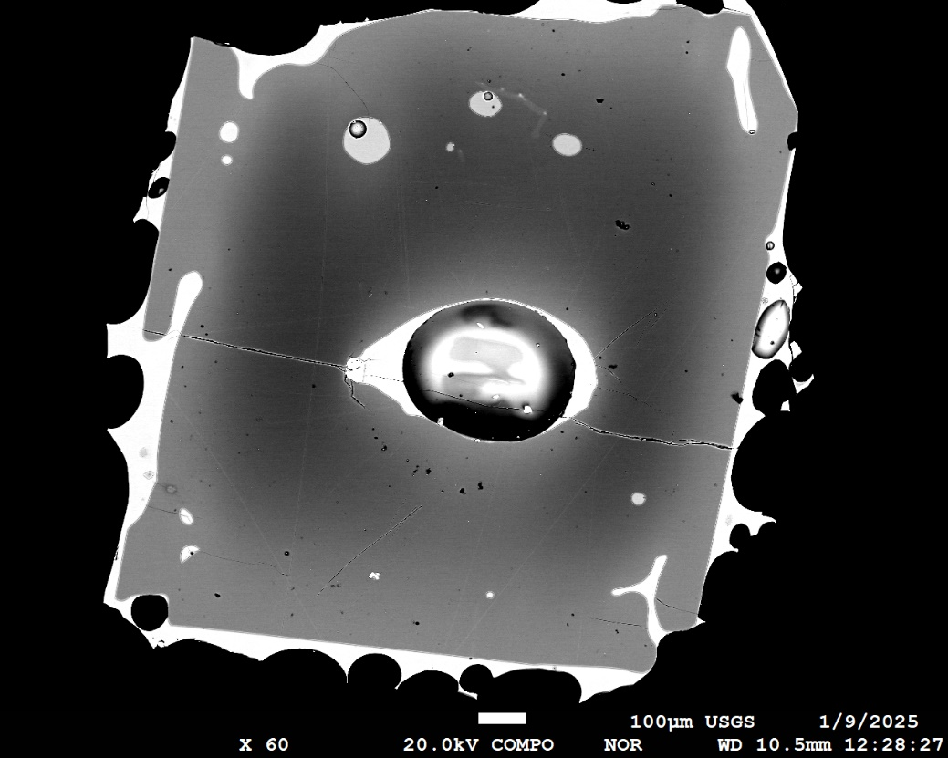
0.324264 | 0.219111 | 100.315575 | 85.1452 | 150.038
0.348164 | 0.214155 | 100.180719 | 85.4207 | 160.002
0.357322 | 0.210682 | 100.216304 | 85.8443 | 170.037
0.36867 | 0.211791 | 100.067361 | 86.2225 | 180.011
trav1
0.373385 | 0.209779 | 100.249464 | 86.5225 | 190.046
trav2
0.372516 | 0.216388 | 100.083604 | 86.8054 | 200.01
0.374781 | 0.214766 | 99.976947 | 87.1417 | 209.966
0.375932 | 0.216524 | 99.927756 | 87.3924 | 220.019
0.385061 | 0.221819 | 100.06048 | 87.5579 | 229.965
ol33 trav2
 | Fo | NiO | CaO
0 | 82.1437 | 0.220329 | 0.281076
10.0449 | 82.4743 | 0.228426 | 0.269988
19.9895 | 82.5856 | 0.236595 | 0.265234
30.0363 | 82.9554 | 0.240292 | 0.262542
39.9826 | 83.1641 | 0.250259 | 0.26187
50.0155 | 83.6297 | 0.262497 | 0.254161
59.9817 | 83.8911 | 0.271464 | 0.255252
70.0245 | 84.3802 | 0.294245 | 0.240692
79.9707 | 84.6943 | 0.315585 | 0.23729
90.0176 | 85.1353 | 0.338893 | 0.225159
99.9622 | 85.3841 | 0.355866 | 0.219526
110.007 | 85.8707 | 0.364418 | 0.216987
119.955 | 86.1858 | 0.378469 | 0.215677
130.01 | 86.5553 | 0.369066 | 0.219133
140.053 | 86.7677 | 0.381917 | 0.213261
150 | 87.138 | 0.378929 | 0.216524
160.046 | 87.2329 | 0.376138 | 0.218354
169.991 | 87.4888 | 0.383529 | 0.221197
180.036 | 87.6579 | 0.380004 | 0.220689
189.984 | 87.779 | 0.376816 | 0.21989
200.019 | 87.8644 | 0.381062 | 0.216892
209.993 | 87.945 | 0.388164 | 0.223892
220.028 | 88.0399 | 0.37918 | 0.221451
229.972 | 88.0693 | 0.372356 | 0.216893
240.017 | 88.1272 | 0.384039 | 0.221481
249.965 | 88.1344 | 0.375246 | 0.218915
260.008 | 88.0377 | 0.383232 | 0.219449
269.955 | 88.1099 | 0.387864 | 0.222707
280.002 | 88.0509 | 0.376798 | 0.219803
290.056 | 88.0086 | 0.391807 | 0.218019
300.001 | 88.0177 | 0.378683 | 0.217764
310.048 | 88.0541 | 0.377036 | 0.219624
319.994 | 87.958 | 0.375318 | 0.217768
0.384453 | 0.215627 | 99.99148 | 87.7335 | 240.027
0.376971 | 0.214682 | 99.932853 | 87.8789 | 249.989
0.381195 | 0.215603 | 99.914298 | 87.9351 | 260.036
0.383816 | 0.218052 | 100.011368 | 88.0657 | 269.998
0.386756 | 0.22034 | 99.755396 | 88.0553 | 279.946
0.3846 | 0.218604 | 99.883804 | 88.1366 | 290.007
0.384196 | 0.217039 | 99.939835 | 88.1546 | 299.955
0.380175 | 0.217056 | 99.780331 | 88.1258 | 310.015
0.378332 | 0.218019 | 99.792351 | 88.0883 | 319.963
0.382036 | 0.217652 | 99.928588 | 88.0453 | 330.034
0.382421 | 0.216393 | 99.552514 | 88.0537 | 339.988
0.377081 | 0.222566 | 99.654747 | 87.9999 | 350.043
0.383502 | 0.217043 | 99.698045 | 88.0268 | 360.007

0.38100133333 | 0.21866733333 | 99.6 | 88.0

0.220329 | 0.281076 | 97.817005 | 82.1437 | 0
0.228426 | 0.269988 | 98.162214 | 82.4743 | 10.0449
0.236595 | 0.265234 | 98.390329 | 82.5856 | 19.9895
0.240292 | 0.262542 | 98.508334 | 82.9554 | 30.0363
0.250259 | 0.26187 | 98.553429 | 83.1641 | 39.9826
0.262497 | 0.254161 | 98.789758 | 83.6297 | 50.0155
0.271464 | 0.255252 | 98.787716 | 83.8911 | 59.9817
0.294245 | 0.240692 | 98.695737 | 84.3802 | 70.0245
...

